80-20 Cut List
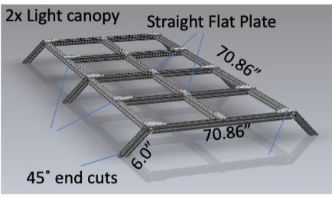
 | Cut list for 80/20 T-slot components for ABCD
Tuer 1 (lower) frame
Qty | Material | Cut Length (in) | Total Length (in)
4 | 80/20 1.00” X 1.00” T-Slotted Profile - Four Open T-Slots | 20.00 | 80.00
5 | 80/20 1.00” X 1.00” T-Slotted Profile - Four Open T-Slots | 22.00 | 110.00
4 | 80/20 1.00” X 1.00” T-Slotted Profile - Four Open T-Slots | 24.00 | 96.00
7 | 80/20 1.00” X 1.00” T-Slotted Profile - Four Open T-Slots | 30.00 | 210.00
2 | 80/20 1.00” X 1.00” T-Slotted Profile - Four Open T-Slots | 55.50 | 111.00
4 | 80/20 1.00” X 1.00” T-Slotted Profile - Four Open T-Slots | 70.86 | 284.00
 |  |  | 891.00

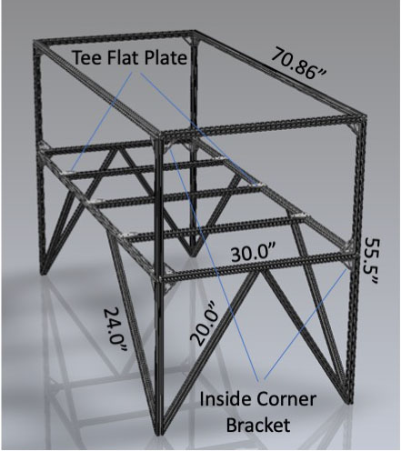

Tuer 2 (upper) frame
Qty | Material | Cut Length (in) | Total Length (in)
4 | 80/20 1.00” X 1.00” T-Slotted Profile - Four Open T-Slots | 20.00 | 80.00
5 | 80/20 1.00” X 1.00” T-Slotted Profile - Four Open T-Slots | 22.00 | 110.00
4 | 80/20 1.00” X 1.00” T-Slotted Profile - Four Open T-Slots | 24.00 | 96.00
7 | 80/20 1.00” X 1.00” T-Slotted Profile - Four Open T-Slots | 30.00 | 210.00
2 | 80/20 1.00” X 1.00” T-Slotted Profile - Four Open T-Slots | 55.50 | 111.00
4 | 80/20 1.00” X 1.00” T-Slotted Profile - Four Open T-Slots | 70.86 | 284.00
 |  |  | 891.00
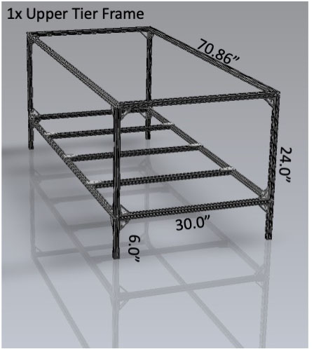

Growth rack (1 per tier)
Qty | Material | Cut Length (in) | Total Length (in)
4 | 80/20 1.00” X 1.00” T-Slotted Profile - Four Open T-Slots | 20.00 | 80.00
5 | 80/20 1.00” X 1.00” T-Slotted Profile - Four Open T-Slots | 22.00 | 110.00
4 | 80/20 1.00” X 1.00” T-Slotted Profile - Four Open T-Slots | 24.00 | 96.00
7 | 80/20 1.00” X 1.00” T-Slotted Profile - Four Open T-Slots | 30.00 | 210.00
2 | 80/20 1.00” X 1.00” T-Slotted Profile - Four Open T-Slots | 55.50 | 111.00
4 | 80/20 1.00” X 1.00” T-Slotted Profile - Four Open T-Slots | 70.86 | 284.00
 |  |  | 891.00

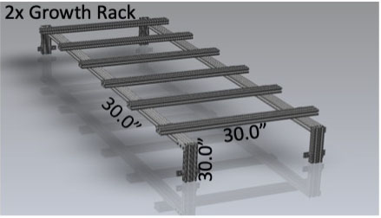

Light canopy (1 per tier)
Qty | Material | Cut Length (in) | Total Length (in)
4 | 80/20 1.00” X 1.00” T-Slotted Profile - Four Open T-Slots | 20.00 | 80.00
5 | 80/20 1.00” X 1.00” T-Slotted Profile - Four Open T-Slots | 22.00 | 110.00
4 | 80/20 1.00” X 1.00” T-Slotted Profile - Four Open T-Slots | 24.00 | 96.00
7 | 80/20 1.00” X 1.00” T-Slotted Profile - Four Open T-Slots | 30.00 | 210.00
2 | 80/20 1.00” X 1.00” T-Slotted Profile - Four Open T-Slots | 55.50 | 111.00
4 | 80/20 1.00” X 1.00” T-Slotted Profile - Four Open T-Slots | 70.86 | 284.00
 |  |  | 891.00

